Models
Obtained Models
Base Model | Architecture | Validation Categorical Accuracy | Loss vs. Val Loss | Best Hyperparams | URL
EfficientNetB7 | Base Model Dense(512, L2 Reg) Batch Normalization Dropout Dense (5, Softmax) Fit + Early Stopping | 75.48% | 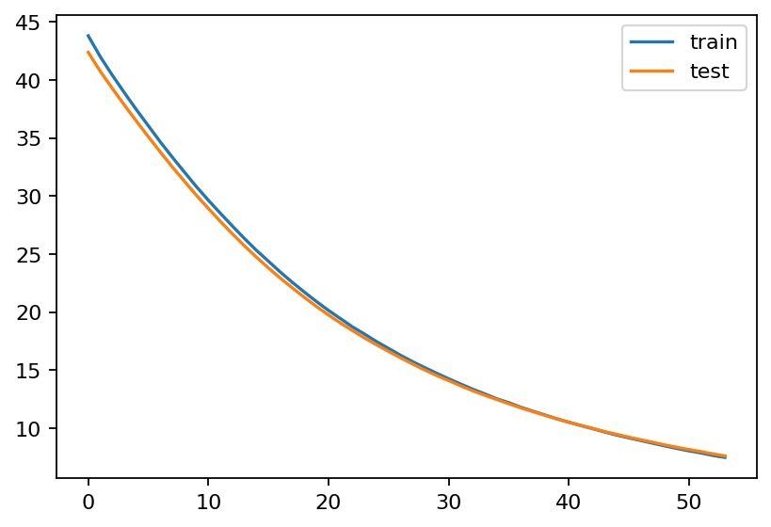 | {'learning_rate': 1e-05, 'kernel_regularizer': 0.05, 'dropout_rate': 0.6, 'batch_size': 16} | https://colab.research.google.com/drive/1jmjcC8P0zhChdD8aGugNzglmr7f95b69?usp=sharing
MobileNetV3L | Base Model Dense(512, L2 Reg) Batch Normalization Dropout Dense (5, Softmax) Fit + Early Stopping | 77.09% | 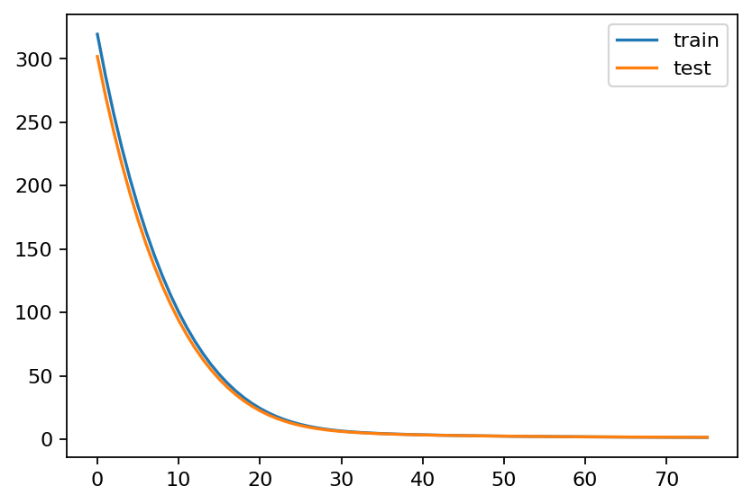 | {'learning_rate': 1e-05, 'kernel_regularizer': 0.5, 'dropout_rate': 0.4, 'batch_size': 16} | https://colab.research.google.com/drive/18THXpjv4g5Z7YT1dJcetlFmtmIoDBuJ2?usp=sharing
ConvNeXtBase | Base Model Dense(512, L2 Reg) Dropout Dense (5, Softmax) Fit + Early Stopping | 76.78% | 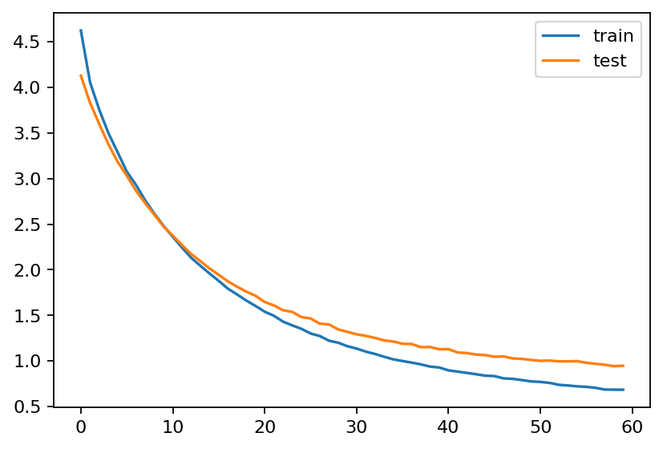 | {'learning_rate': 0.0001, 'kernel_regularizer': 0.005, 'dropout_rate': 0.6, 'batch_size': 32} | https://colab.research.google.com/drive/1z_e2cr36Dpg_iWwWo_wEvqhuh6x8212b?usp=sharing

